Documentation
Last update : 18-5-2018

MAIN ANALYSIS COMPONENTS

Summary
The Summary tab provides insight in actual cost developments against AOP
The tab shows actual values Year to Date based on parameters in BW summary tab
The AOP year value is divided by 12 and then multiplied with the number of months past in the year
The Reporting Month value needs to be updated each month to correctly calculate and display AOP YtD value
To ease analysis on GL account, any cell holding a GL account number can be selected and…
… by clicking on the 'Detail button', you will jump to BW summary page starting with the first matching line item

AOP
This is the main analysis table within the file which lists all relevant AOP items against the GL account and where possible, the vendor / supplier
To be as detailed as possible in terms of tracking and operational follow up, each line item is tagged with a corresponding PO and PO item number
This will allow better tracking of actuals and allows budget responsibles to quickly find the right PO number in case of changes and adjustments
As actuals populate the Bidetails tab, it is key to keep track of new PO's receiving actuals to ensure they properly roll up into the AOP file
Ideally, the sum of actuals in the Bidetails tab should match with what is in the summary
Due to credit notes and financial adjustments not tied to a PO there will be deviations between all individual AOP values and PO items
Objective however is to track status for each line item from logistics perspective to ensure we have PO in place and that we are aware of (potential) cost overruns for each line item

SUPPORTING COMPONENTS

BW Summary, BW Details

Filter Criteria
Company Code: 0002
Cost Center : 68427709 Ops & Compl
Fiscal Period : 1 -12 of desired fiscal year. Note that fiscal year is one year ahead of calendar year!
GL Accounts (Last updated 1-2-2018)
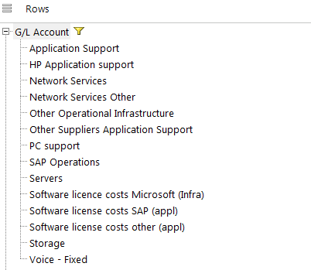

Important!
As BW typically will show numbers as text fields, both PO number and PO item will need to be converted to properly match BW actual data with AOP values
After each refresh of the BW query, the numbers need to be converted by clicking the 'Convert PO NR' button

Note that for being able to refresh BW querys you will need:
Installation of Business Objects Analysis for office which can be downloaded from Software Center
Proper authorizations to be assigned to your user in BW, minimum roles required are:

ZOB-2-NL-ALLXXX-R-FIN-GL
ZCB-0-YY-XXXXXX-R-FIN-GL

PO's not in AOP
In order check if AOP items are matching with PO lines, a check table is setup comparing which PO's are listed in BI details Tab
In case a PO is found which is not tied to an AOP item the check column will show 'Not Found'
To ease analysis on PO matching, any cell holding a PO number can be selected and
… by clicking on the 'Find PO' button, you will jump to BIdetails page starting with the first matching line item found

Changelog
Throughout the year, many different drivers will impact the Central IT Operations budget in the upcoming year
To be able to keep track of these changes, a change log is incorporated within this file to list all items representing a delta (both upward and downward) for the following year
It is absolutely key that on each occasion (Project / program go live, contract renewal / change, omission or errors) an entry is made in the change log by relevant budget holder!

